SHEET
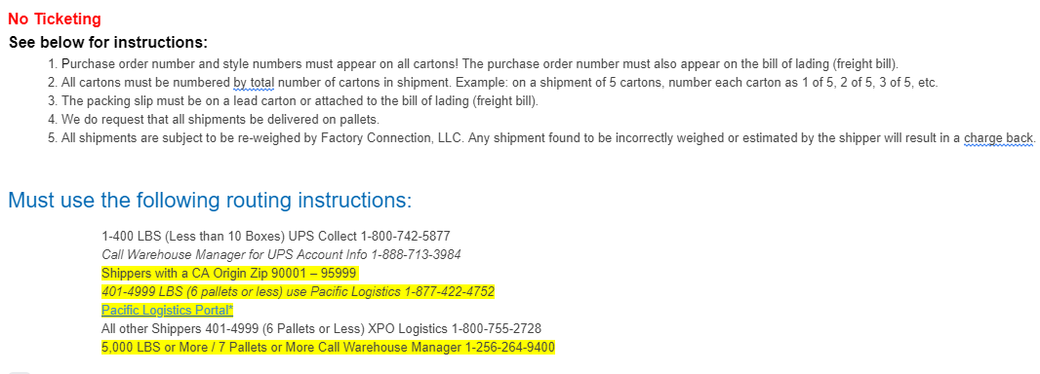
FACTORY CONNECTION

PICK TICKET CHECK LIST |  |  |  | PO# 15456
 |  |  |  | PT# 1763541

TICKETING |  | PRE-TICKETED

ROUTING |  |  |  |  | SHIP VIA: ROUTING

PACKING INSTRUCTIONS:
MARK ALL CTNS WITH WITH CUSTOMER NAME, PO# AND STYLE#
LABEL FORMAT
Purchase Order#:
Style NAME :
Ctn Qty:
Color:
Carton # : 1 of _

STYLE# | COLOR | SUB STYLE | SUB CLR | CUSTOMER STYLE# | QTY
54A890S8802 | 0AU |  |  | 54A890S8802-0AU | 210
54A890S8802 | 0AU |  |  | 54A890S8802-0AU | 420
54A890S8802 | 0AU |  |  | 54A890S8802-0AU | 420
54A890S8802 | 0AU |  |  | 54A890S8802-0AU | 210
54A890S8803 | 0AI |  |  | 54A890S8803-0AI | 210
54A890S8803 | 0AI |  |  | 54A890S8803-0AI | 420
54A890S8803 | 0AI |  |  | 54A890S8803-0AI | 420
54A890S8803 | 0AI |  |  | 54A890S8803-0AI | 210
 |  |  |  | -
 |  |  |  | -

 |  |  |  | TOTAL | 2,520

INSTRUCTIONS:

